Emails
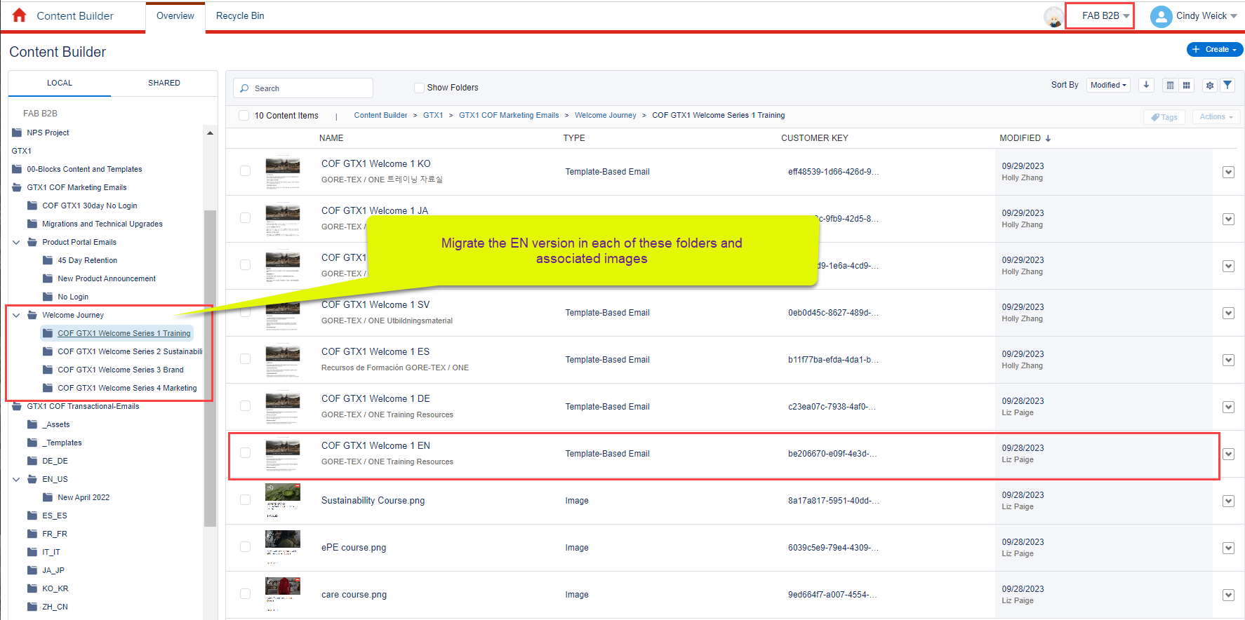
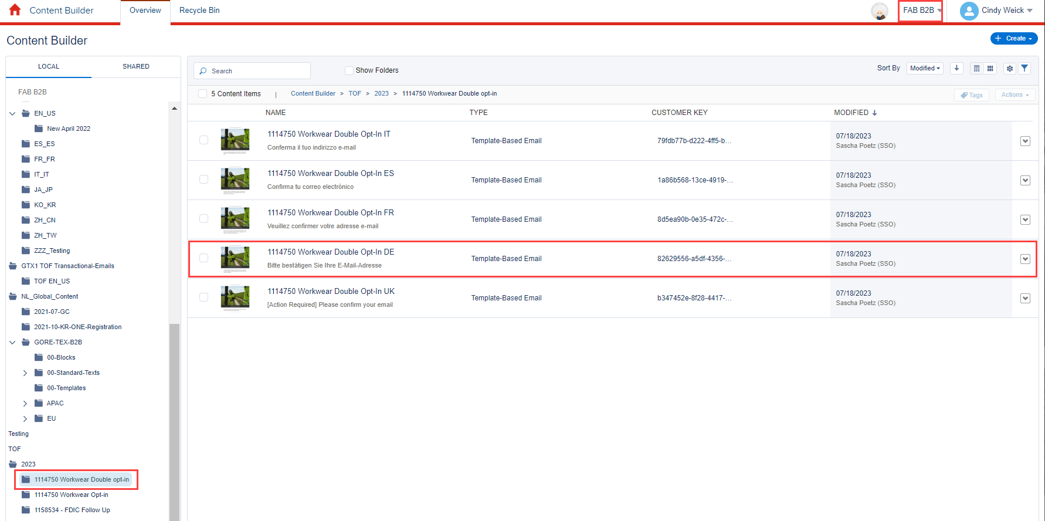
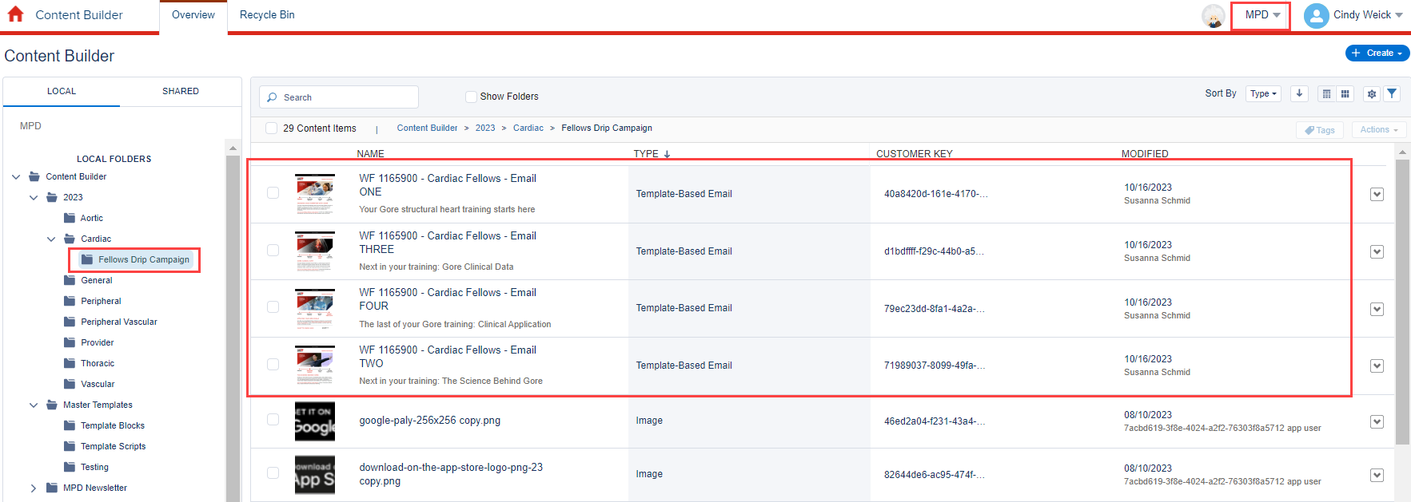
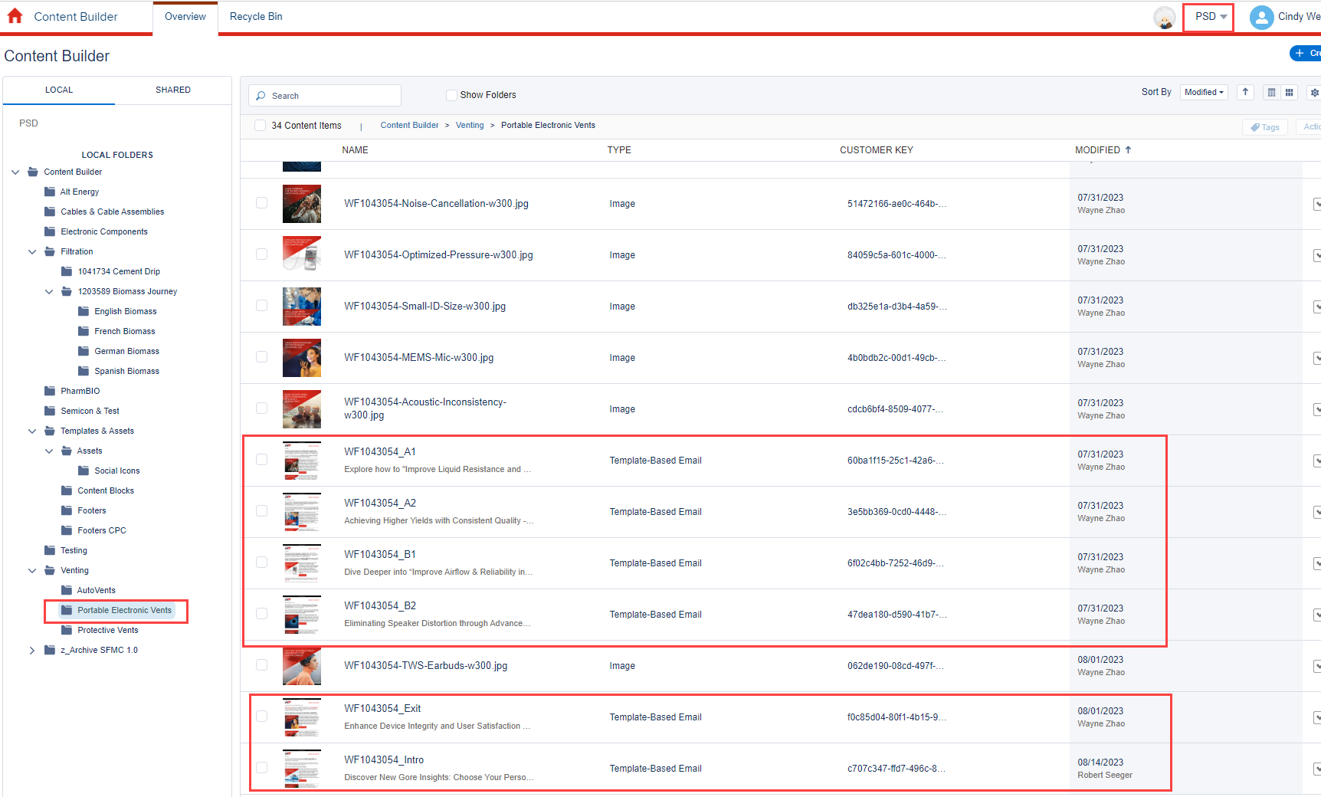
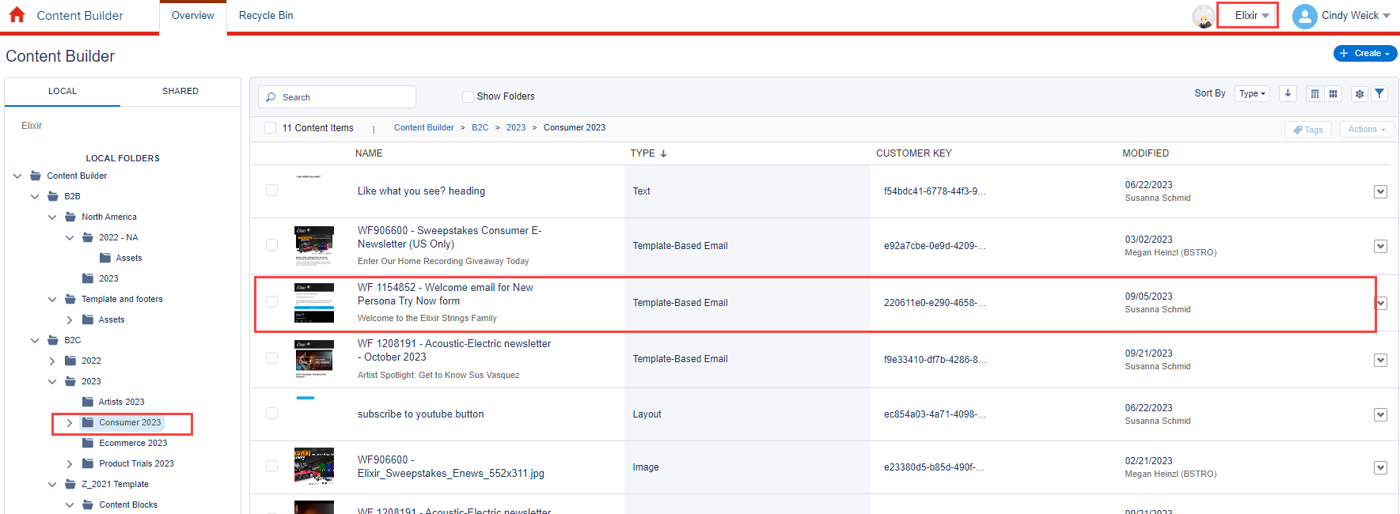
Business Unit Name | Email Location | Journey Name | Email Name | Priority # | Migration by | Comment | Comment2
W. L. Gore

COR | Content Builder | No journey for this series, sent ad hoc | 2023-24 Engineering Upcoming Graduate Announcement

MPD | 2023>Cardiac>Fellows Drip Campaign | No journey for this series, sent ad hoc | WF 1165900 - Cardiac Fellows - Email ONE | 13 |  | Critial to migrate as we will be sending out between October - March.
 | 2023>Cardiac>Fellows Drip Campaign | No journey for this series, sent ad hoc | WF 1165900 - Cardiac Fellows - Email TWO
 | 2023>Cardiac>Fellows Drip Campaign | No journey for this series, sent ad hoc | WF 1165900 - Cardiac Fellows - Email THREE
 | 2023>Cardiac>Fellows Drip Campaign | No journey for this series, sent ad hoc | WF 1165900 - Cardiac Fellows - Email FOUR

PSD |  |  | None except Acoustic Vents Journey emails (below) |  |  | Allison and Susie think just the templates and content blocks and CPC footers , but check with
 | Venting > Portable Electronic Vents | FY24 - ME - AcousticDesignGuide Journey Intro | WF1043054_Intro | 7
 | Venting > Portable Electronic Vents | FY24 - ME - AcousticDesignGuide Journey A1 | WF1043054_A1 | 8
 | Venting > Portable Electronic Vents | FY24 - ME - AcousticDesignGuide Journey A2 | WF1043054_A2 | 9
 | Venting > Portable Electronic Vents | FY24 - ME - AcousticDesignGuide Journey B1 | WF1043054_B1 | 10
 | Venting > Portable Electronic Vents | FY24 - ME - AcousticDesignGuide Journey B2 | WF1043054_B2 | 11
 | Venting > Portable Electronic Vents | FY24 - ME - AcousticDesignGuide Journey Finale | WF1043054_Exit | 12
 | Venting > AutoVents | 2023 DVN Tradeshow Post-Show email - WF1148940 | WF #1148940 - DVN 2023 Conference Post-show Customer Email |  |  | Active journey, is this still needed?

Elixir | B2C>2023>Consumer 2023 | Elixir B2C Subscription Confirmation | WF 1154852 - Welcome email for New Persona Try Now form | 14 |  | Asked Kim Leasure and Christine Nolthenius to identify any specific emails to migrate
FAB B2B | GTX1 COF Transactional Emails > EN_US>New April 2022 | Transactional from Ping | GTX1 COF - Password Reset Request - EN_US | 1
 | GTX1 COF Transactional Emails > EN_US>New April 2022 | Transactional from Ping | GTX1 COF - Account Activation Reminder - EN_US | 2
 | GTX1 COF Transactional Emails > EN_US>New April 2022 | Transactional from Ping | GTX1 COF - Account Activation - EN_US | 3
 | GTX1 COF Transactional Emails > EN_US>New April 2022 |  | GTX1 COF - Account Migration - EN_US |  |  | May not be needed now, was for bulk migration
 | GTX1 COF Transactional Emails > EN_US>New April 2022 | Transactional from Ping | GTX1 COF - Access Denied - EN_US | 4
 | GTX1 COF Transactional Emails > EN_US>New April 2022 | Transactional from Ping | GTX1 COF - Password Change Confirmation - EN_US | 5
 | GTX1 TOF Transactional Emails > TOF EN_US | Transactional from Ping | GTX1 TOF - Account Activation - EN_US | 6
 | GTX1 TOF Transactional Emails > TOF EN_US | Transactional from Ping | GTX1 TOF - Account Activation Reminder - EN_US
 | GTX1 TOF Transactional Emails > TOF EN_US | Transactional from Ping | GTX1 TOF - Access Denied - EN_US
 | GTX1 TOF Transactional Emails > TOF EN_US | Transactional from Ping | GTX1 TOF - Password Reset Request - EN_US
 | GTX1 TOF Transactional Emails > TOF EN_US |  | GTX1 TOF - Account Migration - EN_US |  |  | May not be needed now, was for bulk migration
 | GTX1 TOF Transactional Emails > TOF EN_US | Transactional from Ping | GTX1 TOF - Password Change Confirmation - EN_US
 | GTX1>GTX1 COF Makreting Emails >COF GTX1 30day No Login | GTX1 UC 4 No Login 1st 30 days | COF GTX1 30day No Login
 | GTX1>GTX1 COF Makreting Emails >COF GTX1 30day No Login | GTX1 UC 4 No Login 1st 30 days | COF GTX1 30day No Login - KO
 | GTX1>GTX1 COF Makreting Emails >COF GTX1 30day No Login | GTX1 UC 4 No Login 1st 30 days | COF GTX1 30day No Login - JA
 | GTX1>GTX1 COF Makreting Emails >COF GTX1 30day No Login | GTX1 UC 4 No Login 1st 30 days | COF GTX1 30day No Login - CHS
 | GTX1>GTX1 COF Makreting Emails >COF GTX1 30day No Login | GTX1 UC 4 No Login 1st 30 days | COF GTX1 30day No Login - SV
 | GTX1>GTX1 COF Makreting Emails >COF GTX1 30day No Login | GTX1 UC 4 No Login 1st 30 days | COF GTX1 30day No Login - ES
 | GTX1>GTX1 COF Makreting Emails >Product Portal Emails > 45 Day Retention | GTX1 Product Portal 45 Day Retention - Daily | NA GTX ONE Product Portal 45 Day Retention V2-items
 | GTX1>GTX1 COF Makreting Emails >Product Portal Emails > No Login | ? There may not be one | NA GTX ONE Product Portal No Login |  |  | check which version the journey is using
 | GTX1>GTX1 COF Makreting Emails > Welcome Journey>COF GTX1 Welcome Series 1 Training | GTX1 UC 5 - New User Drip Campaign | COF GTX1 Welcome 1 KO |  |  | If we can't migrate all in the MVP, migrate the EN version for all of these emails
 | GTX1>GTX1 COF Makreting Emails > Welcome Journey>COF GTX1 Welcome Series 1 Training | GTX1 UC 5 - New User Drip Campaign | COF GTX1 Welcome 1 JA
 | GTX1>GTX1 COF Makreting Emails > Welcome Journey>COF GTX1 Welcome Series 1 Training | GTX1 UC 5 - New User Drip Campaign | COF GTX1 Welcome 1 CHS
 | GTX1>GTX1 COF Makreting Emails > Welcome Journey>COF GTX1 Welcome Series 1 Training | GTX1 UC 5 - New User Drip Campaign | COF GTX1 Welcome 1 SV
 | GTX1>GTX1 COF Makreting Emails > Welcome Journey>COF GTX1 Welcome Series 1 Training | GTX1 UC 5 - New User Drip Campaign | COF GTX1 Welcome 1 ES
 | GTX1>GTX1 COF Makreting Emails > Welcome Journey>COF GTX1 Welcome Series 1 Training | GTX1 UC 5 - New User Drip Campaign | COF GTX1 Welcome 1 DE
 | GTX1>GTX1 COF Makreting Emails > Welcome Journey>COF GTX1 Welcome Series 1 Training | GTX1 UC 5 - New User Drip Campaign | COF GTX1 Welcome 1 EN | 15
 | GTX1>GTX1 COF Makreting Emails > Welcome Journey>COF GTX1 Welcome Series 1 Training | GTX1 UC 5 - New User Drip Campaign | COF GTX1 Welcome 1 FR
 | GTX1>GTX1 COF Makreting Emails > Welcome Journey>COF GTX1 Welcome Series 1 Training | GTX1 UC 5 - New User Drip Campaign | COF GTX1 Welcome 1 IT
 | GTX1>GTX1 COF Makreting Emails > Welcome Journey>COF GTX1 Welcome Series 2 Sustainability | GTX1 UC 5 - New User Drip Campaign | COF GTX1 Welcome 2 KO
 | GTX1>GTX1 COF Makreting Emails > Welcome Journey>COF GTX1 Welcome Series 2 Sustainability | GTX1 UC 5 - New User Drip Campaign | COF GTX1 Welcome 2 JA
 | GTX1>GTX1 COF Makreting Emails > Welcome Journey>COF GTX1 Welcome Series 2 Sustainability | GTX1 UC 5 - New User Drip Campaign | COF GTX1 Welcome 2 CHS
 | GTX1>GTX1 COF Makreting Emails > Welcome Journey>COF GTX1 Welcome Series 2 Sustainability | GTX1 UC 5 - New User Drip Campaign | COF GTX1 Welcome 2 SV
 | GTX1>GTX1 COF Makreting Emails > Welcome Journey>COF GTX1 Welcome Series 2 Sustainability | GTX1 UC 5 - New User Drip Campaign | COF GTX1 Welcome 2 ES
 | GTX1>GTX1 COF Makreting Emails > Welcome Journey>COF GTX1 Welcome Series 2 Sustainability | GTX1 UC 5 - New User Drip Campaign | COF GTX1 Welcome 2 DE
 | GTX1>GTX1 COF Makreting Emails > Welcome Journey>COF GTX1 Welcome Series 2 Sustainability | GTX1 UC 5 - New User Drip Campaign | COF GTX1 Welcome 2 EN | 16
 | GTX1>GTX1 COF Makreting Emails > Welcome Journey>COF GTX1 Welcome Series 2 Sustainability | GTX1 UC 5 - New User Drip Campaign | COF GTX1 Welcome 2 FR
 | GTX1>GTX1 COF Makreting Emails > Welcome Journey>COF GTX1 Welcome Series 2 Sustainability | GTX1 UC 5 - New User Drip Campaign | COF GTX1 Welcome 2 IT
 | GTX1>GTX1 COF Makreting Emails > Welcome Journey>COF GTX1 Welcome Series 3 Brand | GTX1 UC 5 - New User Drip Campaign | COF GTX1 Welcome 3 KO |  |  | Series 3 and 4 not created yet but will be during this project
 | GTX1>GTX1 COF Makreting Emails > Welcome Journey>COF GTX1 Welcome Series 3 Brand | GTX1 UC 5 - New User Drip Campaign | COF GTX1 Welcome 3 JA
 | GTX1>GTX1 COF Makreting Emails > Welcome Journey>COF GTX1 Welcome Series 3 Brand | GTX1 UC 5 - New User Drip Campaign | COF GTX1 Welcome 3 CHS
 | GTX1>GTX1 COF Makreting Emails > Welcome Journey>COF GTX1 Welcome Series 3 Brand | GTX1 UC 5 - New User Drip Campaign | COF GTX1 Welcome 3 SV
 | GTX1>GTX1 COF Makreting Emails > Welcome Journey>COF GTX1 Welcome Series 3 Brand | GTX1 UC 5 - New User Drip Campaign | COF GTX1 Welcome 3 ES
 | GTX1>GTX1 COF Makreting Emails > Welcome Journey>COF GTX1 Welcome Series 3 Brand | GTX1 UC 5 - New User Drip Campaign | COF GTX1 Welcome 3 DE
 | GTX1>GTX1 COF Makreting Emails > Welcome Journey>COF GTX1 Welcome Series 3 Brand | GTX1 UC 5 - New User Drip Campaign | COF GTX1 Welcome 3 EN | 17
 | GTX1>GTX1 COF Makreting Emails > Welcome Journey>COF GTX1 Welcome Series 3 Brand | GTX1 UC 5 - New User Drip Campaign | COF GTX1 Welcome 3 FR
 | GTX1>GTX1 COF Makreting Emails > Welcome Journey>COF GTX1 Welcome Series 3 Brand | GTX1 UC 5 - New User Drip Campaign | COF GTX1 Welcome 3 IT
 | GTX1>GTX1 COF Makreting Emails > Welcome Journey>COF GTX1 Welcome Series 4 Marketing | GTX1 UC 5 - New User Drip Campaign | COF GTX1 Welcome 4 KO
 | GTX1>GTX1 COF Makreting Emails > Welcome Journey>COF GTX1 Welcome Series 4 Marketing | GTX1 UC 5 - New User Drip Campaign | COF GTX1 Welcome 4 JA
 | GTX1>GTX1 COF Makreting Emails > Welcome Journey>COF GTX1 Welcome Series 4 Marketing | GTX1 UC 5 - New User Drip Campaign | COF GTX1 Welcome 4 CHS
 | GTX1>GTX1 COF Makreting Emails > Welcome Journey>COF GTX1 Welcome Series 4 Marketing | GTX1 UC 5 - New User Drip Campaign | COF GTX1 Welcome 4 SV
 | GTX1>GTX1 COF Makreting Emails > Welcome Journey>COF GTX1 Welcome Series 4 Marketing | GTX1 UC 5 - New User Drip Campaign | COF GTX1 Welcome 4 ES
 | GTX1>GTX1 COF Makreting Emails > Welcome Journey>COF GTX1 Welcome Series 4 Marketing | GTX1 UC 5 - New User Drip Campaign | COF GTX1 Welcome 4 DE
 | GTX1>GTX1 COF Makreting Emails > Welcome Journey>COF GTX1 Welcome Series 4 Marketing | GTX1 UC 5 - New User Drip Campaign | COF GTX1 Welcome 4 EN
 | GTX1>GTX1 COF Makreting Emails > Welcome Journey>COF GTX1 Welcome Series 4 Marketing | GTX1 UC 5 - New User Drip Campaign | COF GTX1 Welcome 4 FR
 | GTX1>GTX1 COF Makreting Emails > Welcome Journey>COF GTX1 Welcome Series 4 Marketing | GTX1 UC 5 - New User Drip Campaign | COF GTX1 Welcome 4 IT
FAB B2B | TOF > 1114750 Workwear Double opt-in | 1114750 TOF Workwear Double Opt-In | 1114750 Workwear Double Opt-In IT
 | TOF > 1114750 Workwear Double opt-in | 1114750 TOF Workwear Double Opt-In | 1114750 Workwear Double Opt-In ES
 | TOF > 1114750 Workwear Double opt-in | 1114750 TOF Workwear Double Opt-In | 1114750 Workwear Double Opt-In FR
 | TOF > 1114750 Workwear Double opt-in | 1114750 TOF Workwear Double Opt-In | 1114750 Workwear Double Opt-In DE
 | TOF > 1114750 Workwear Double opt-in | 1114750 TOF Workwear Double Opt-In | 1114750 Workwear Double Opt-In UK | 18
 | TOF > 1114750 Workwear Opt-in |  | 1114750 Workwear Registration IT
 | TOF > 1114750 Workwear Opt-in |  | 1114750 Workwear Registration FR
 | TOF > 1114750 Workwear Opt-in |  | 1114750 Workwear Registration DE
 | TOF > 1114750 Workwear Opt-in |  | 1114750 Workwear Registration ES
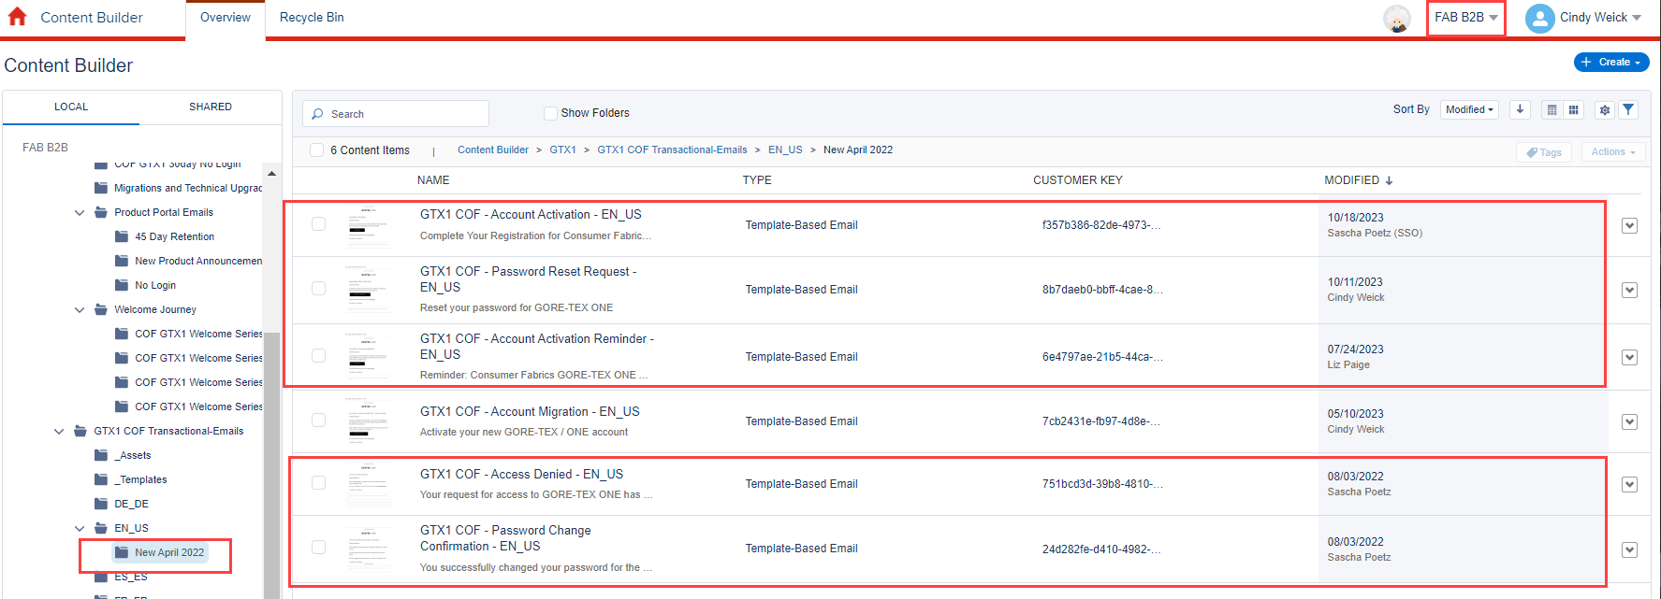
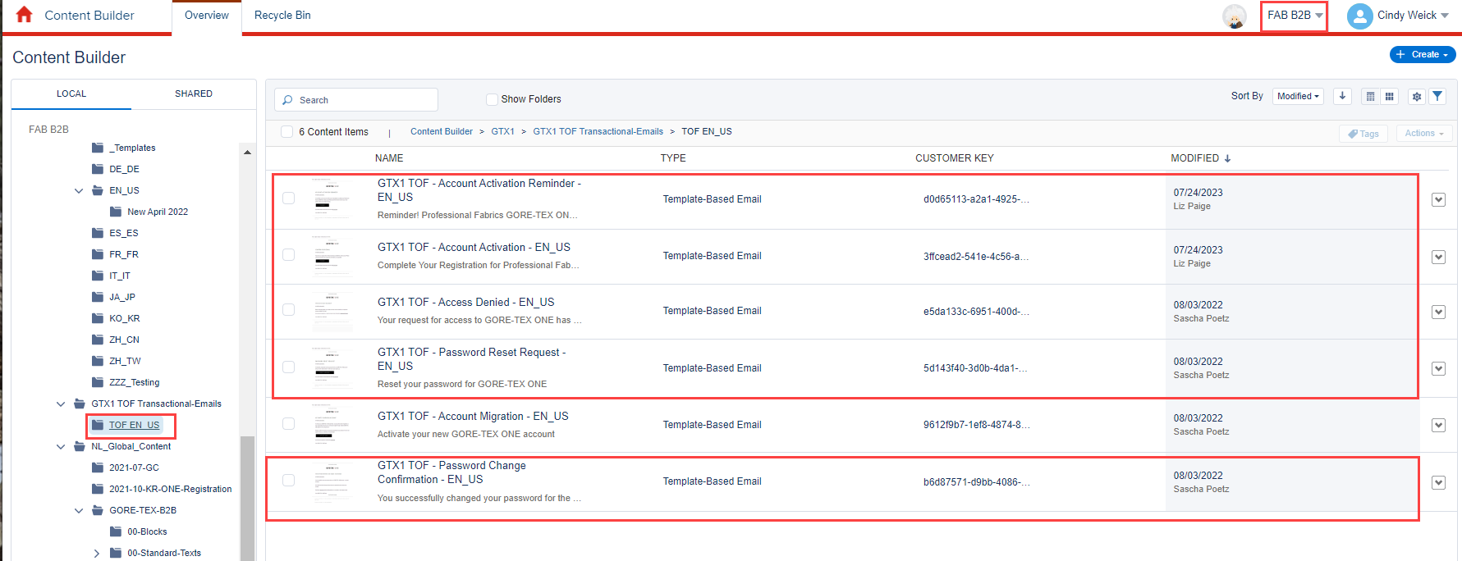
 | TOF > 1114750 Workwear Opt-in |  | 1114750 Workwear Registration UK
 | Any other TOF?

Journeys
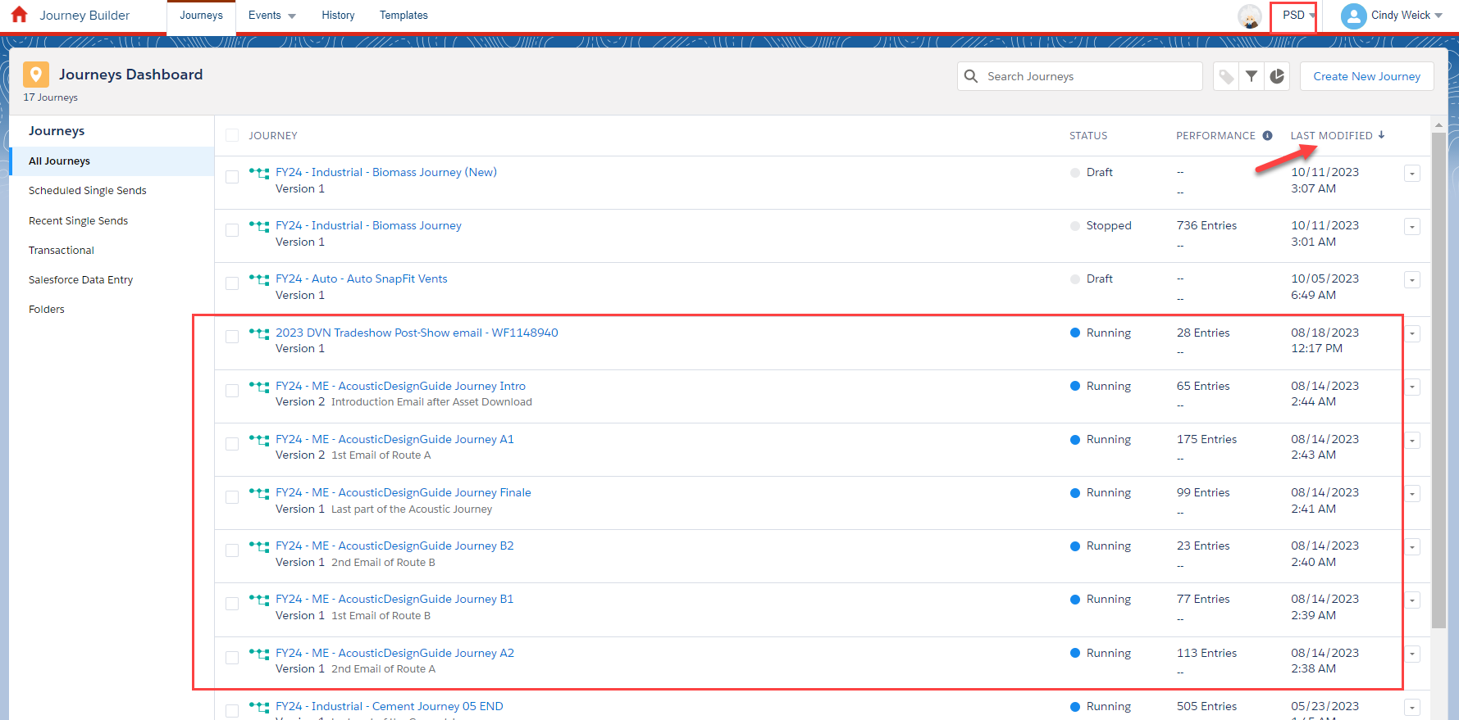
Business Unit | Journey Name | Type | Status | Entry | To be migrated | Migration by | CI Segment? | Segment Name (Salesforce) | Comment
PSD | 2023 DVN Tradeshow Post-Show email - WF1148940 | Single Send | Running | PSD - DVN23 Customer Pre-show Email - Automotive - Venting Other - Prod-Ad Hoc-MKT | Yes | TTEC | Yes |  | Need to confirm the correct CI segment - "Post" Show segment does not exist
PSD | FY24 - ME - AcousticDesignGuide Journey A1 | Multi-Step | Running | Contact Update Trigger | Yes | TTEC |  |  | Attribute change is the entry start, could be a trigger in Dynamics
PSD | FY24 - ME - AcousticDesignGuide Journey A2 | Multi-Step | Running | Contact Update Trigger | Yes | TTEC
PSD | FY24 - ME - AcousticDesignGuide Journey B1 | Multi-Step | Running | Contact Update Trigger | Yes | TTEC
PSD | FY24 - ME - AcousticDesignGuide Journey B2 | Multi-Step | Running | Contact Update Trigger | Yes | TTEC
PSD | FY24 - ME - AcousticDesignGuide Journey Finale | Multi-Step | Running | Contact Update Trigger | Yes | TTEC
PSD | FY24 - ME - AcousticDesignGuide Journey Intro | Multi-Step | Running | Form Submission Trigger | Yes | TTEC |  |  | All Acoustic Design Guide Journey may be merged into a single Journey in Dynamics.
FAB B2B | 1114750 TOF Workwear Double Opt-In | Multi-Step | Running | Form Submission Trigger | Yes | TTEC
FAB B2B | GTX1 Product Portal 45 Day Retention - Daily | Single-Send | Running | FAB-COF-GTX1 - Product Portal 45 day Retention Campaign - Prod-Daily-MKT | Yes | TTEC | Yes
FAB B2B | COF Product Portal No Login Daily | Single-Send | In Dev | FAB-COF-GTX1 - Product Portal No Login Campaign - Prod-Daily-MKT | Yes | TTEC | Yes
FAB B2B | GTX1 UC 4 No Login 1st 30 days | Single-Send | In Dev | FAB-COF-GTX1 - UC4 Adoption - No Login First 30 days - PROD-Daily-MKT | Yes | TTEC | Yes
FAB B2B | GTX1 UC 5 - New User Drip Campaign | Multi-Step | In Dev | AB-COF-GTX1 - UC5 Adoption - New User - Prod : Daily | Yes | TTEC | Yes
Elixir B2C | Elixir B2C Subscription Confirmation | Single-Send | Running | Form Submission Trigger | Yes | TTEC |  |  | Welcome Email

Templates
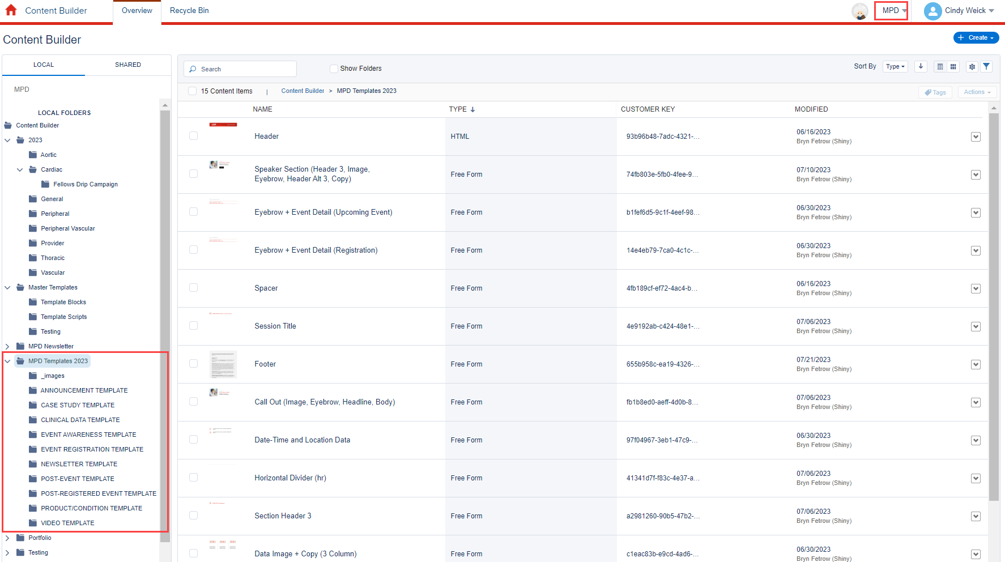
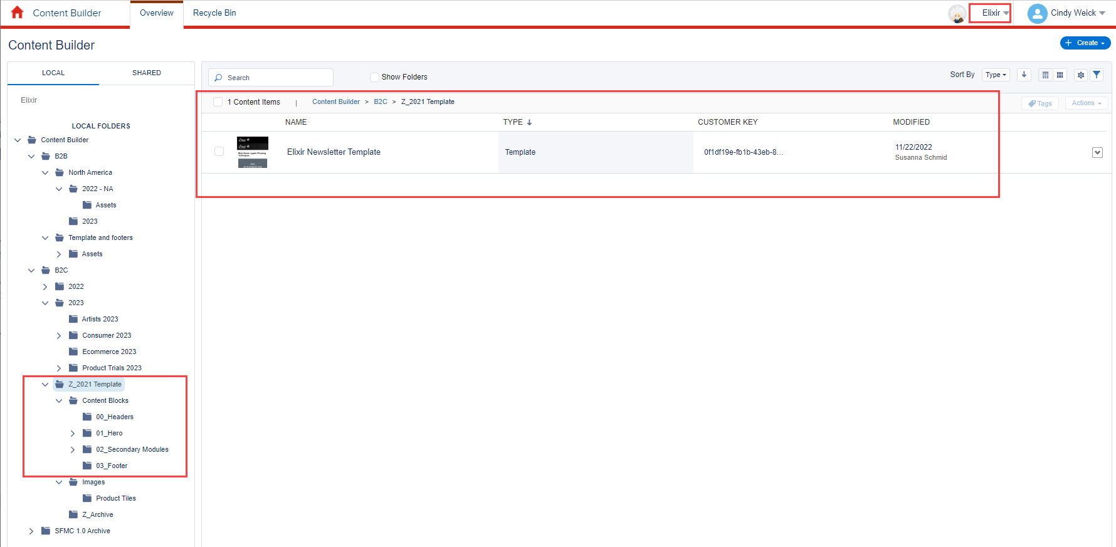
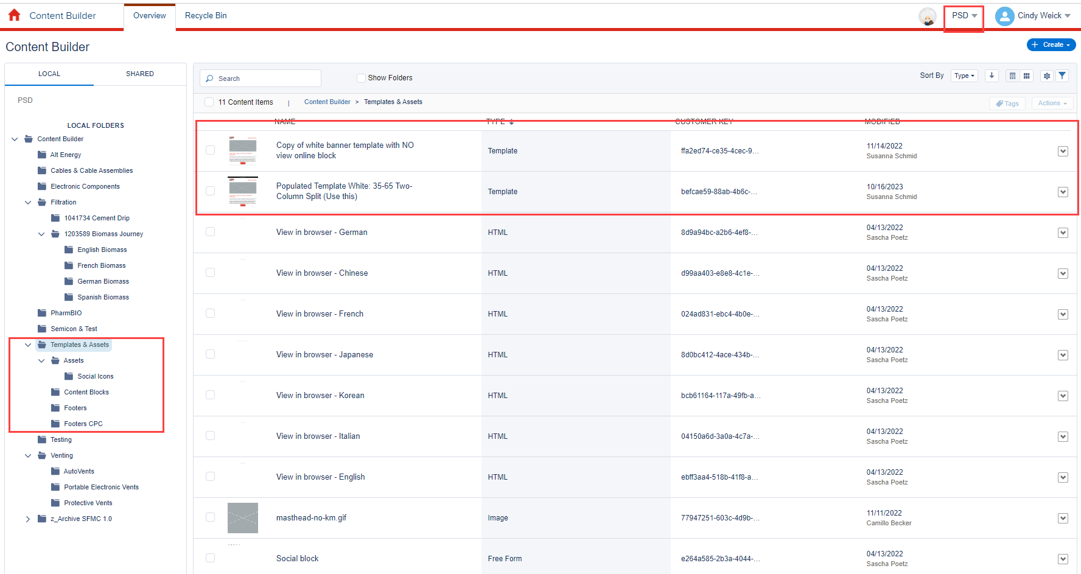
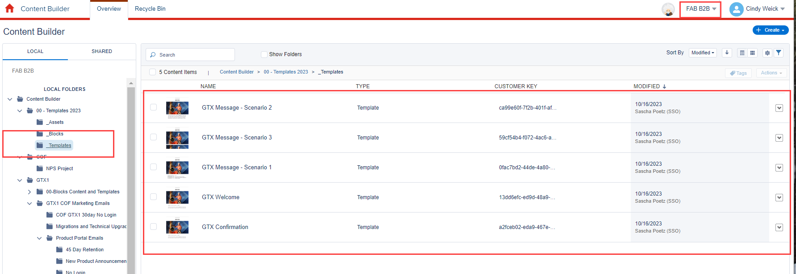
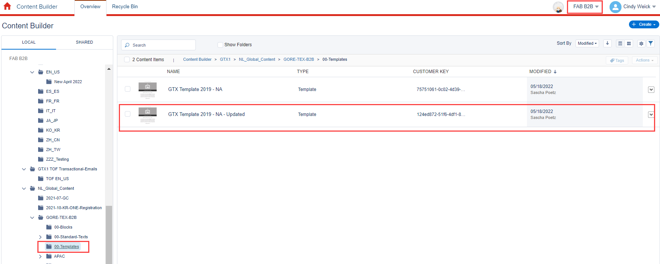
Business Unit Name | Templates Category | Template Location | Template Name | Migration to Business Unit | Priority # | Comment | Column1
MPD | MPD Template Set | Content Builder>MPD Templates 2023>ANNOUNCEMENT TEMPLATE | ANNOUNCEMENT TEMPLATE | MPD | 1 |  | Guidelines for the new MPD templates - each module called out: https://wlgore.sharepoint.com/:b:/s/MPDDigital-WeeklyDigitalStatus/EX0n4wgn8adOkELQDszwI0cBsTc0kc7S7Uezs1Uj5BvLkA?e=aTUyMx
 |  | Content Builder>MPD Templates 2023>CASE STUDY TEMPLATE | CASE STUDY TEMPLATE | MPD | 2 |  | The 2023 MPD templates folder also includes an image folder that likely needs to be pulled over
 |  | Content Builder>MPD Templates 2023>CLINICAL DATA TEMPLATE | CLINICAL DATA TEMPLATE | MPD | 3
 |  | Content Builder>MPD Templates 2023>EVENT AWARENESS TEMPLATE | EVENT AWARENESS TEMPLATE | MPD | 4
 |  | Content Builder>MPD Templates 2023>EVENT REGISTRATION TEMPLATE | EVENT REGISTRATION TEMPLATE | MPD | 5
 |  | Content Builder>MPD Templates 2023>NEWSLETTER TEMPLATE | NEWSLETTER TEMPLATE | MPD | 6
 |  | Content Builder>MPD Templates 2023>POST-EVENT TEMPLATE | POST-EVENT TEMPLATE | MPD | 7
 |  | Content Builder>MPD Templates 2023>POST-REGISTERED EVENT TEMPLATE | POST-REGISTERED EVENT TEMPLATE | MPD | 8
 |  | Content Builder>MPD Templates 2023>PRODUCT/CONDITION TEMPLATE | PRODUCT/CONDITION TEMPLATE | MPD | 9
 |  | Content Builder>MPD Templates 2023>VIDEO TEMPLATE | VIDEO TEMPLATE | MPD | 10
PSD | Gore Template | Content Builder>Templates & Assets | Populated Template Red: 35-65 Two-Column Split (Use this) | Parent, PSD, COR | 11 | Does not need "Fix" anymore
 |  | Content Builder>Templates & Assets | Populated Template White: 35-65 Two-Column Split (Use this)
 |  | Content Builder>Templates & Assets | PSD Template - Japan |  | 19 | has font info for Japnese
Elixir | Elixir Template | Content Builder>B2C>Z_2021 Template | Elixir Newsletter Template | Elixir | 12 | include all Content Blocks
FAB B2B | FAB B2B Template | Content Builder > GTX1 > NL_Global_Content > GORE-TEX-B2B > 00-Templates | GTX Template 2019 - NA - Updated | FAB B2B | 13
 | GTX1 Template | Content Builder > GTX1 > GTX1 COF Transactional-Emails > _Templates | GTX1 Transactional Emails 2022 | FAB B2B | 14 | Does not need the hero image
 |  | Content Builder>00 - Templates 2023>_Templates | GTX Confirmation | FAB B2B | 15
 |  | Content Builder>00 - Templates 2023>_Templates | GTX Message - Scenario 1 | FAB B2B | 16
 |  | Content Builder>00 - Templates 2023>_Templates | GTX Message - Scenario 2 | FAB B2B
 |  | Content Builder>00 - Templates 2023>_Templates | GTX Message - Scenario 3 | FAB B2B
 |  | Content Builder>00 - Templates 2023>_Templates | GTX Welcome | FAB B2B | 17
FAB B2C |  | Content Builder>2018_06_EmailMasters>Email-Templates | simple template example - family activities (US) - has all modules | FAB B2C | 18 | These may not be needed
 |  | Content Builder>2018_06_EmailMasters>Email-Templates | simple template example - consumer tryout (US) | FAB B2C |  | These may not be needed
 |  | Content Builder>2018_06_EmailMasters>Email-Templates | simple template example - new years (US) | FAB B2C |  | These may not be needed
 |  | Content Builder>2018_06_EmailMasters>Email-Templates | 201902 - campaign - winter activities (US) - Black Buttons | FAB B2C |  | These may not be needed

